Sheet1
No | Market | Type | Part Number | Vehicle | Picture | Url
1 |  | Electronic Throttle Body | TB1001 | INFINITI FX35 Base V6 3.5L 2003-2008 INFINITI G35 Base V6 3.5L 2003-2006 INFINITI G35 X V6 3.5L 2004-2006 INFINITI I35 Base V6 3.5L 2002-2004 INFINITI M35 Base V6 3.5L 2006-2008 INFINITI M35 Sport V6 3.5L 2006-2007 INFINITI M35 X V6 3.5L 2006-2008 Nissan 350Z 35th Anniversary Edition V6 3.5L 2005 Nissan 350Z Base V6 3.5L 2003-2006 Nissan 350Z Enthusiast V6 3.5L 2003-2006 Nissan 350Z Grand Touring V6 3.5L 2005-2006 Nissan 350Z Performance V6 3.5L 2003-2006 Nissan 350Z Touring V6 3.5L 2003-2006 Nissan 350Z Track V6 3.5L 2003-2006 Nissan Altima Base V6 3.5L 2002-2003 Nissan Altima S V6 3.5L 2002-2006 Nissan Altima SE V6 3.5L 2002-2006 Nissan Altima SE-R V6 3.5L 2005-2006 Nissan Altima SL V6 3.5L 2002-2006 Nissan Maxima GLE V6 3.5L 2002-2003 Nissan Maxima GXE V6 3.5L 2002-2003 Nissan Maxima SE Elite V6 3.5L 2004-2006 Nissan Maxima SE Touring V6 3.5L 2004-2008 Nissan Maxima SE V6 3.5L 2002-2008 Nissan Maxima SL Luxury V6 3.5L 2004-2007 Nissan Maxima SL Premium V6 3.5L 2004 Nissan Maxima SL V6 3.5L 2004-2008 Nissan Murano S V6 3.5L 2005-2008 Nissan Murano SE V6 3.5L 2003-2008 Nissan Murano SL V6 3.5L 2003-2008 Nissan Quest Base V6 3.5L 2005-2009 Nissan Quest S V6 3.5L 2004-2009 Nissan Quest SE V6 3.5L 2004-2009 Nissan Quest SL Special Edition V6 3.5L 2006 Nissan Quest SL V6 3.5L 2004-2009 Nissan Quest SLT V6 3.5L 2009 | 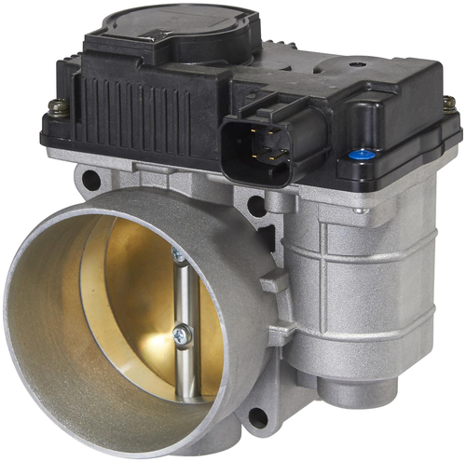 | https://ecat.spectrapremium.com/en/parts/TB1001
2 |  | Electronic Throttle Body | TB1002 | Nissan Altima Base L4 2.5L 2002-2006 Nissan Altima S L4 2.5L 2002-2006 Nissan Altima SL L4 2.5L 2002-2006 Nissan Sentra LE L4 2.5L 2004 Nissan Sentra Limited Edition L4 2.5L 2003 Nissan Sentra S L4 2.5L 2004 Nissan Sentra SE-R L4 2.5L 2002-2006 Nissan Sentra SE-R Spec V L4 2.5L 2002-2006 | 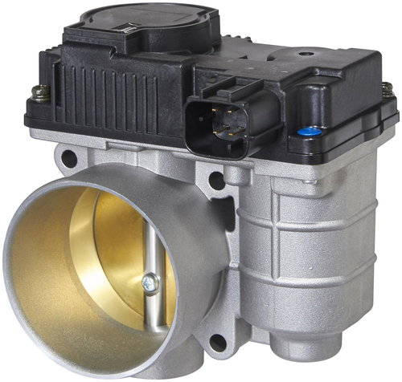 | https://ecat.spectrapremium.com/en/parts/TB1002
3 |  | Electronic Throttle Body | TB1003 | Nissan Sentra Base L4 1.8L 2004-2006 Nissan Sentra GXE L4 1.8L 2003-2006 Nissan Sentra GXE Sport L4 1.8L 2003-2006 Nissan Sentra LE L4 1.8L 2003 Nissan Sentra S L4 1.8L 2004-2006 Nissan Sentra XE L4 1.8L 2003-2006 Nissan Sentra XE SE Edicion Especial L4 1.8L 2006 Nissan Sentra XE SE L4 1.8L 2006 | 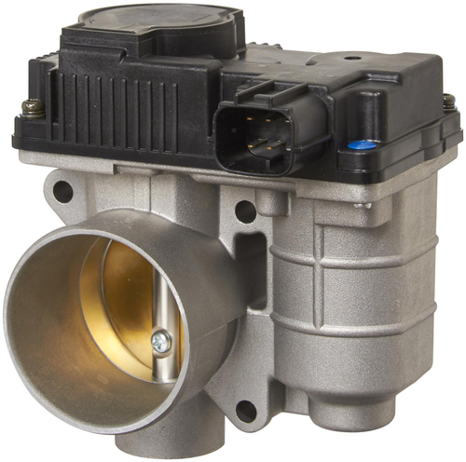 | https://ecat.spectrapremium.com/en/parts/TB1003
4 |  | Electronic Throttle Body | TB1005 | Ford Focus Base L4 2.0L 2002 Ford Focus LX L4 2.0L 2000-2002 Ford Focus Manual L4 2.0L 2002 Ford Focus SE L4 2.0L 2000-2002 Ford Focus SVT L4 2.0L 2002 Ford Focus Sony Limited Edition L4 2.0L 2000 Ford Focus ZTS L4 2.0L 2000-2002 Ford Focus ZTW L4 2.0L 2002 Ford Focus ZX3 L4 2.0L 2000-2002 Ford Focus ZX5 L4 2.0L 2002 | 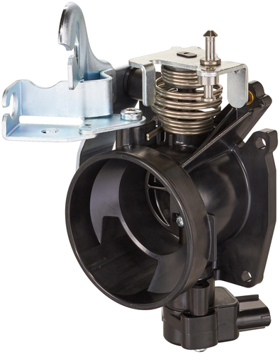 | https://ecat.spectrapremium.com/en/parts/TB1005
5 |  | Electronic Throttle Body | TB1006 | Ford Club Wagon Chateau V8 5.4L 1998 Ford Club Wagon XL V8 5.4L 1998 Ford Club Wagon XLT V8 5.4L 1998 Ford E-150 Base V8 4.6L 2003-2006 Ford E-150 Base V8 5.4L 2003-2004 Ford E-150 Chateau V8 4.6L 2006 Ford E-150 Club Wagon Chateau V8 4.6L 2003-2005 Ford E-150 Club Wagon Chateau V8 5.4L 2003-2004 Ford E-150 Club Wagon XL V8 4.6L 2003-2005 Ford E-150 Club Wagon XL V8 5.4L 2003-2004 Ford E-150 Club Wagon XLT V8 4.6L 2003-2005 Ford E-150 Club Wagon XLT V8 5.4L 2003-2004 Ford E-150 Econoline Base V8 4.6L 1998-2002 Ford E-150 Econoline Base V8 5.4L 1998-2002 Ford E-150 Econoline Club Wagon Chateau V8 4.6L 1998-2002 Ford E-150 Econoline Club Wagon Chateau V8 5.4L 1998-2002 Ford E-150 Econoline Club Wagon Custom V8 4.6L 1998-2000 Ford E-150 Econoline Club Wagon Custom V8 5.4L 1998-2000 Ford E-150 Econoline Club Wagon XL V8 4.6L 2001-2002 Ford E-150 Econoline Club Wagon XL V8 5.4L 2001-2002 Ford E-150 Econoline Club Wagon XLT V8 4.6L 1998-2002 Ford E-150 Econoline Club Wagon XLT V8 5.4L 1998-2002 Ford E-150 Econoline XL V8 4.6L 1998-2000 Ford E-150 Econoline XL V8 5.4L 1998-2000 Ford E-150 XL V8 4.6L 2004-2006 Ford E-150 XL V8 5.4L 2003-2004 Ford E-150 XLT V8 4.6L 2006 Ford E-250 Base V8 4.6L 2003-2006 Ford E-250 Base V8 5.4L 2003-2004 Ford E-250 Econoline Base V8 5.4L 1998-2002 Ford E-250 Econoline XL V8 5.4L 1998-2000 Ford E-350 Club Wagon Chateau V8 5.4L 2003-2004 Ford E-350 Club Wagon XL V8 5.4L 2002-2004 Ford E-350 Club Wagon XLT V8 5.4L 2003-2004 Ford E-350 Econoline Base V8 5.4L 1998-2000 Ford E-350 Econoline Club Wagon Chateau V8 5.4L 1998-2002 Ford E-350 Econoline Club Wagon Custom V8 5.4L 1998-2000 Ford E-350 Econoline Club Wagon XL HD V8 5.4L 1998 Ford E-350 Econoline Club Wagon XL V8 5.4L 2001-2002 Ford E-350 Econoline Club Wagon XLT HD V8 5.4L 1998 Ford E-350 Econoline Club Wagon XLT V8 5.4L 1998-2002 Ford E-350 Econoline XL V8 5.4L 1998 Ford E-350 Super Duty Base V8 5.4L 1999-2004 Ford E-350 Super Duty XL V8 5.4L 1999-2000 Ford Econoline Base V8 4.6L 2004 Ford | 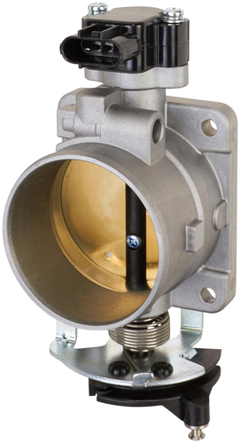 | https://ecat.spectrapremium.com/en/parts/TB1006
6 |  | Electronic Throttle Body | TB1008 | Buick Rainier CXL Plus V8 5.3L 2004 Buick Rainier CXL V8 5.3L 2004 Cadillac Escalade Base V8 5.3L 2003-2005 Cadillac Escalade Base V8 6.0L 2003-2006 Cadillac Escalade ESV Base V8 6.0L 2003-2006 Cadillac Escalade EXT Base V8 6.0L 2003-2006 Chevrolet Avalanche 1500 Base V8 5.3L 2003-2006 Chevrolet Avalanche 1500 LS V8 5.3L 2005-2006 Chevrolet Avalanche 1500 LT V8 5.3L 2005-2006 Chevrolet Avalanche 1500 North Face V8 5.3L 2003 Chevrolet Avalanche 1500 On Road Edition V8 5.3L 2003 Chevrolet Avalanche 1500 WBH V8 5.3L 2003 Chevrolet Avalanche 1500 Z66 V8 5.3L 2004-2006 Chevrolet Avalanche 1500 Z71 V8 5.3L 2003-2006 Chevrolet Cheyenne (Mexico) Base V8 5.3L 2003-2006 Chevrolet Express 1500 Base V8 5.3L 2007 Chevrolet Express 1500 LS V8 5.3L 2007 Chevrolet Express 1500 LT V8 5.3L 2007 Chevrolet Express 2500 Base V8 4.8L 2007 Chevrolet Express 2500 Base V8 6.0L 2004-2007 Chevrolet Express 2500 LS V8 6.0L 2004-2007 Chevrolet Express 2500 LT V8 6.0L 2006-2007 Chevrolet Express 3500 Base V8 4.8L 2007 Chevrolet Express 3500 Base V8 6.0L 2004-2007 Chevrolet Express 3500 LS V8 6.0L 2004-2007 Chevrolet Express 3500 LT V8 6.0L 2006-2007 Chevrolet SSR Base V8 5.3L 2003-2004 Chevrolet Silverado 1500 Base V8 4.8L 2003-2005 Chevrolet Silverado 1500 Base V8 5.3L 2003-2005 Chevrolet Silverado 1500 Classic Hybrid V8 5.3L 2007 Chevrolet Silverado 1500 Classic LS V8 4.8L 2007 Chevrolet Silverado 1500 Classic LS V8 5.3L 2007 Chevrolet Silverado 1500 Classic LT V8 4.8L 2007 Chevrolet Silverado 1500 Classic LT V8 5.3L 2007 Chevrolet Silverado 1500 Classic LT V8 6.0L 2007 Chevrolet Silverado 1500 Classic SS V8 6.0L 2007 Chevrolet Silverado 1500 Classic WT V8 4.8L 2007 Chevrolet Silverado 1500 Classic WT V8 5.3L 2007 Chevrolet Silverado 1500 HD Base V8 6.0L 2005 Chevrolet Silverado 1500 HD Classic LT V8 6.0L 2007 Chevrolet Silverado 1500 HD LS V8 6.0L 2003-2005 Chevrolet Silverado 1500 HD LT V8 6.0L 2003-2006 Chevrolet Silverado 1500 Hybrid V8 5.3L 2004-2006 Chevrolet Silverado 1500 LS V8 4.8L 20 | 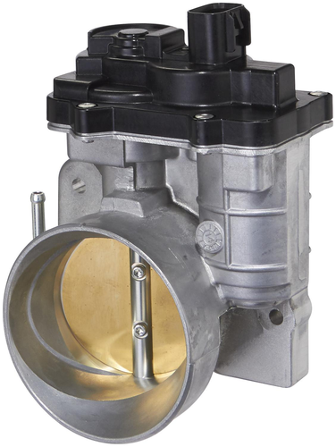 | https://ecat.spectrapremium.com/en/parts/TB1008
7 |  | Electronic Throttle Body | TB1009 | Chevrolet Avalanche 2500 Base V8 8.1L 2003-2004 Chevrolet Avalanche 2500 LS V8 8.1L 2005-2006 Chevrolet Avalanche 2500 LT V8 8.1L 2005-2006 Chevrolet Silverado 2500 HD Base V8 8.1L 2003-2005 Chevrolet Silverado 2500 HD Classic LS V8 8.1L 2007 Chevrolet Silverado 2500 HD Classic LT V8 8.1L 2007 Chevrolet Silverado 2500 HD Classic WT V8 8.1L 2007 Chevrolet Silverado 2500 HD LS V8 8.1L 2003-2006 Chevrolet Silverado 2500 HD LT V8 8.1L 2003-2006 Chevrolet Silverado 2500 HD WT V8 8.1L 2004-2006 Chevrolet Silverado 3500 Base V8 8.1L 2003-2005 Chevrolet Silverado 3500 Classic LS V8 8.1L 2007 Chevrolet Silverado 3500 Classic LT V8 8.1L 2007 Chevrolet Silverado 3500 Classic WT V8 8.1L 2007 Chevrolet Silverado 3500 HD V8 8.1L 2003 Chevrolet Silverado 3500 LS V8 8.1L 2003-2006 Chevrolet Silverado 3500 LT V8 8.1L 2003-2006 Chevrolet Silverado 3500 WT V8 8.1L 2004-2006 Chevrolet Suburban 2500 LS V8 8.1L 2003-2006 Chevrolet Suburban 2500 LT V8 8.1L 2003-2006 GMC Sierra 2500 HD Base V8 8.1L 2003-2005 GMC Sierra 2500 HD Classic SL V8 8.1L 2007 GMC Sierra 2500 HD Classic SLE V8 8.1L 2007 GMC Sierra 2500 HD Classic SLT V8 8.1L 2007 GMC Sierra 2500 HD Classic WT V8 8.1L 2007 GMC Sierra 2500 HD SL V8 8.1L 2006 GMC Sierra 2500 HD SLE V8 8.1L 2003-2006 GMC Sierra 2500 HD SLT V8 8.1L 2003-2006 GMC Sierra 2500 HD WT V8 8.1L 2003-2006 GMC Sierra 3500 Base V8 8.1L 2003-2005 GMC Sierra 3500 Classic SL V8 8.1L 2007 GMC Sierra 3500 Classic SLE V8 8.1L 2007 GMC Sierra 3500 Classic SLT V8 8.1L 2007 GMC Sierra 3500 Classic WT V8 8.1L 2007 GMC Sierra 3500 SL V8 8.1L 2006 GMC Sierra 3500 SLE V8 8.1L 2003-2006 GMC Sierra 3500 SLT V8 8.1L 2003-2006 GMC Sierra 3500 WT V8 8.1L 2004-2006 GMC Yukon XL 2500 SLE V8 8.1L 2003-2006 GMC Yukon XL 2500 SLT V8 8.1L 2003-2006 | 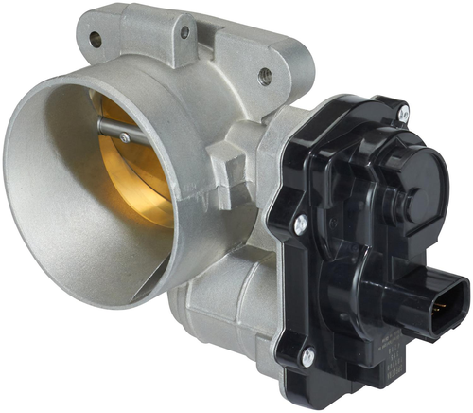 | https://ecat.spectrapremium.com/en/parts/TB1009
8 |  | Electronic Throttle Body | TB1010 | Buick Lucerne CX V6 3.9L 2009-2011 Buick Lucerne CXL Special Edition V6 3.9L 2010 Buick Lucerne CXL V6 3.9L 2009-2011 Buick Terraza CX V6 3.9L 2006-2007 Buick Terraza CXL V6 3.9L 2006-2007 Chevrolet Equinox LS V6 3.4L 2007-2009 Chevrolet Equinox LT V6 3.4L 2007-2009 Chevrolet Equinox LTZ V6 3.4L 2008-2009 Chevrolet Impala 50th Anniversary Edition V6 3.5L 2008 Chevrolet Impala LS V6 3.5L 2006-2011 Chevrolet Impala LS V6 3.9L 2010-2011 Chevrolet Impala LT V6 3.5L 2006-2011 Chevrolet Impala LT V6 3.9L 2006-2009 Chevrolet Impala LTZ V6 3.9L 2006-2011 Chevrolet Impala Police V6 3.9L 2006-2011 Chevrolet Malibu Base V6 3.5L 2007 Chevrolet Malibu Classic LS V6 3.5L 2008 Chevrolet Malibu Classic LT V6 3.5L 2008 Chevrolet Malibu LS V6 3.5L 2007-2010 Chevrolet Malibu LT V6 3.5L 2007-2009 Chevrolet Malibu LTZ V6 3.5L 2007 Chevrolet Malibu Maxx LS V6 3.5L 2007 Chevrolet Malibu Maxx LT V6 3.5L 2007 Chevrolet Malibu Maxx LTZ V6 3.5L 2007 Chevrolet Malibu Maxx SS V6 3.9L 2006-2007 Chevrolet Malibu SS V6 3.9L 2006-2007 Chevrolet Monte Carlo LS V6 3.5L 2006-2007 Chevrolet Monte Carlo LT V6 3.5L 2006-2007 Chevrolet Monte Carlo LT V6 3.9L 2006 Chevrolet Monte Carlo LTZ V6 3.9L 2006 Chevrolet Uplander Base V6 3.9L 2007-2009 Chevrolet Uplander LS V6 3.9L 2007-2009 Chevrolet Uplander LT V6 3.9L 2006-2009 Pontiac G6 Base V6 3.5L 2007-2010 Pontiac G6 GT V6 3.5L 2007-2010 Pontiac G6 GT V6 3.9L 2007-2009 Pontiac G6 GTP V6 3.9L 2006 Pontiac G6 SE V6 3.5L 2008-2009 Pontiac Montana SV6 V6 3.9L 2006-2009 Pontiac Torrent Base V6 3.4L 2007-2009 Pontiac Torrent GT V6 3.4L 2008 Pontiac Torrent LS V6 3.4L 2007-2008 Pontiac Torrent LT V6 3.4L 2007-2008 Pontiac Torrent Sport V6 3.4L 2007 Saturn Aura XE V6 3.5L 2007-2008 Saturn Relay 1 V6 3.9L 2007 Saturn Relay 2 V6 3.9L 2007 Saturn Relay 3 V6 3.9L 2006-2007 Saturn Vue XE V6 3.5L 2008-2009 | 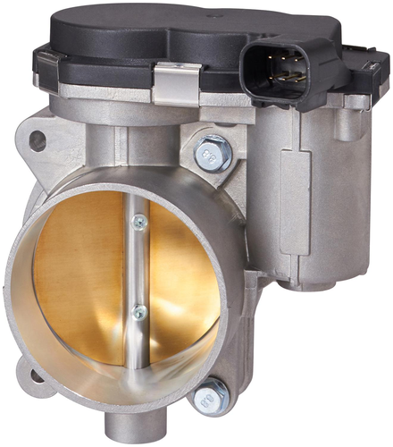 | https://ecat.spectrapremium.com/en/parts/TB1010
9 |  | Electronic Throttle Body | TB1011 | Buick Rainier CXL Plus V8 5.3L 2005 Buick Rainier CXL V8 5.3L 2005-2007 Cadillac Escalade Base V8 6.2L 2007-2008 Cadillac Escalade ESV Base V8 6.2L 2007-2008 Cadillac Escalade ESV Platinum V8 6.2L 2008 Cadillac Escalade EXT Base V8 6.2L 2007-2008 Cadillac Escalade Platinum V8 6.2L 2008 Chevrolet Avalanche Base V8 5.3L 2007-2008 Chevrolet Avalanche LS V8 5.3L 2007-2008 Chevrolet Avalanche LT V8 5.3L 2007-2008 Chevrolet Avalanche LT V8 6.0L 2007-2008 Chevrolet Avalanche LTZ V8 5.3L 2007-2008 Chevrolet Avalanche LTZ V8 6.0L 2007-2008 Chevrolet Cheyenne (Mexico) Base V8 5.3L 2007-2009 Chevrolet Cheyenne (Mexico) Cheyenne V8 5.3L 2016 Chevrolet Cheyenne (Mexico) LT V8 5.3L 2010 Chevrolet Express 1500 Base V8 5.3L 2008 Chevrolet Express 1500 LS V8 5.3L 2008 Chevrolet Express 1500 LT V8 5.3L 2008 Chevrolet Express 2500 Base V8 4.8L 2008 Chevrolet Express 2500 Base V8 6.0L 2008 Chevrolet Express 2500 LS V8 6.0L 2008 Chevrolet Express 2500 LT V8 6.0L 2008 Chevrolet Express 3500 Base V8 4.8L 2008 Chevrolet Express 3500 Base V8 5.3L 2008 Chevrolet Express 3500 Base V8 6.0L 2008 Chevrolet Express 3500 LS V8 6.0L 2008 Chevrolet Express 3500 LT V8 6.0L 2008 Chevrolet SSR Base V8 6.0L 2005-2006 Chevrolet Silverado 1500 Base V8 5.3L 2007-2008 Chevrolet Silverado 1500 LS V8 4.8L 2007-2008 Chevrolet Silverado 1500 LT V8 4.8L 2007-2008 Chevrolet Silverado 1500 LT V8 5.3L 2007-2008 Chevrolet Silverado 1500 LT V8 6.0L 2007-2008 Chevrolet Silverado 1500 LTZ V8 5.3L 2007-2008 Chevrolet Silverado 1500 LTZ V8 6.0L 2007-2008 Chevrolet Silverado 1500 WT V8 4.8L 2007-2008 Chevrolet Silverado 1500 WT V8 5.3L 2007-2008 Chevrolet Silverado 2500 Base V8 4.8L 2007-2008 Chevrolet Silverado 2500 Base V8 5.3L 2007-2008 Chevrolet Silverado 2500 Cheyenne V8 5.3L 2007 Chevrolet Silverado 2500 HD LT V8 6.0L 2007-2008 Chevrolet Silverado 2500 HD LTZ V8 6.0L 2007-2008 Chevrolet Silverado 2500 HD WT V8 6.0L 2007-2008 Chevrolet Silverado 3500 HD LT V8 6.0L 2007-2008 Chevrolet Silverado 3500 HD LTZ V8 6.0L 200 | 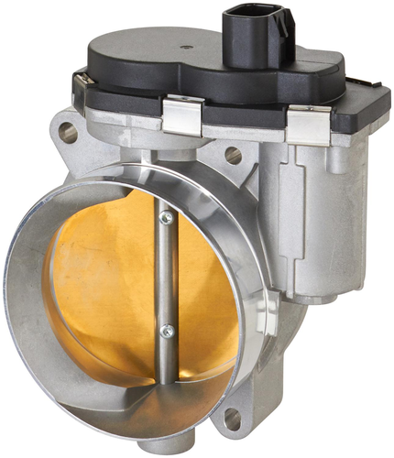 | https://ecat.spectrapremium.com/en/parts/TB1011
10 |  | Electronic Throttle Body | TB1012 | Volkswagen Cabrio Base L4 2.0L 1996-1999 Volkswagen Cabrio Equipado L4 2.0L 1996 Volkswagen Cabrio Final Edition L4 2.0L 2002 Volkswagen Cabrio GL L4 2.0L 1998-2002 Volkswagen Cabrio GLS L4 2.0L 1998-2002 Volkswagen Cabrio GLX L4 2.0L 2001-2002 Volkswagen Cabrio High Line L4 2.0L 1997 Volkswagen Golf GL L4 2.0L 1996-1998 Volkswagen Golf GLS L4 2.0L 1996 Volkswagen Golf GTI L4 2.0L 1996-1998 Volkswagen Golf Jazz L4 2.0L 1997 Volkswagen Golf K2 L4 2.0L 1997-1998 Volkswagen Golf Trek L4 2.0L 1997 Volkswagen Jetta Base L4 2.0L 1999 Volkswagen Jetta CL L4 2.0L 1999 Volkswagen Jetta Carat L4 2.0L 1994-1995 Volkswagen Jetta Celebration Edition L4 2.0L 1995 Volkswagen Jetta City L4 2.0L 1995 Volkswagen Jetta GL L4 2.0L 1993-1999 Volkswagen Jetta GLI 16-Valve L4 2.0L 1992 Volkswagen Jetta GLS Confort L4 2.0L 1999 Volkswagen Jetta GLS L4 2.0L 1993-1999 Volkswagen Jetta GLX L4 2.0L 1996-1998 Volkswagen Jetta GT L4 2.0L 1997-1998 Volkswagen Jetta GTX 16-V L4 2.0L 1992 Volkswagen Jetta Jazz L4 2.0L 1997 Volkswagen Jetta K2 L4 2.0L 1998 Volkswagen Jetta Limited Edition L4 2.0L 1994 Volkswagen Jetta Trek L4 2.0L 1996 Volkswagen Jetta Wolfsburg Edition L4 2.0L 1996-1999 | 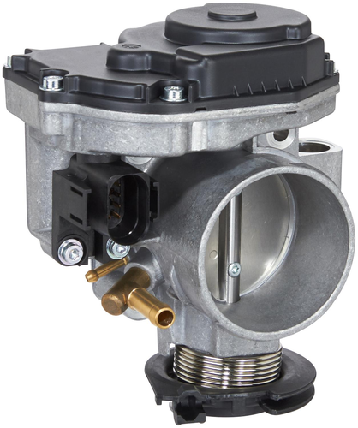 | https://ecat.spectrapremium.com/en/parts/TB1012

